first trials for model


Model type | advantages of model type | hp tuning | normalization? | accuracy (%) (good if between 50-90) | classification | data augmentation gave better results? (%)
ResNet | pre-built | bayesian method | none | 59% | yes
 |  |  | Custom Mean: tensor([0.2669, 0.2702, 0.2749]), Custom Std: tensor([0.1857, 0.1878, 0.1904]) | 59% | not correct
 |  | ray tune (hyperband)
 |  | AutoML

image processing
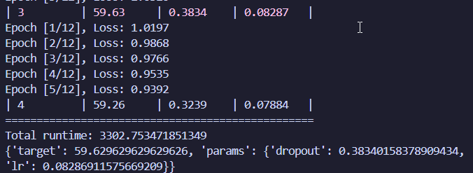
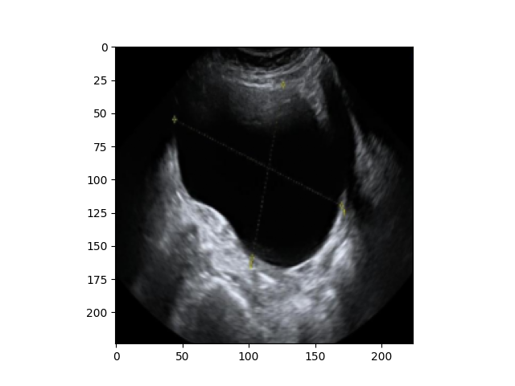
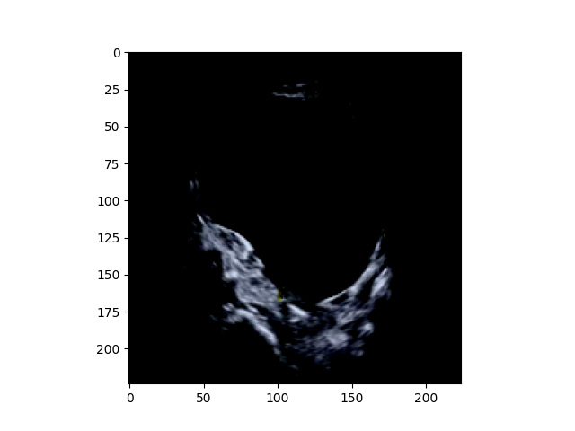
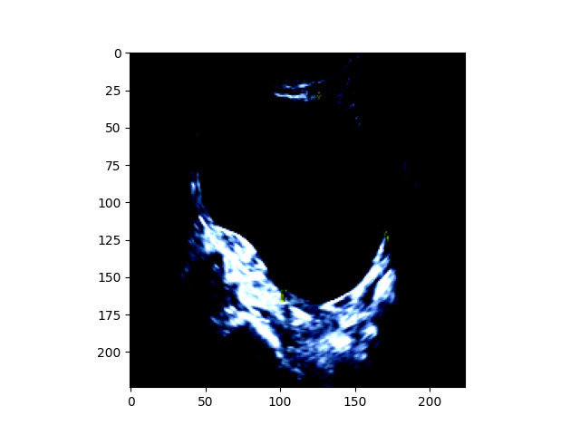
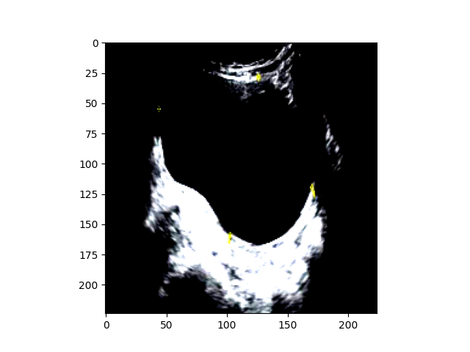

transform = transforms.Compose([
#transforms.Grayscale(num_output_channels=3), # Convert grayscale to 3-channel (ResNet requires RGB)
#transforms.Lambda(lambda img: img if img.mode == 'RGB' else img.convert('RGB')), # Ensure RGB mode
transforms.Resize(256), # Resize to match ResNet input
transforms.CenterCrop(224),
#transforms.RandomRotation(10), # Slight rotations help the model generalize
#transforms.RandomHorizontalFlip(), # Ultrasounds may not be direction-sensitive
#transforms.RandomAffine(degrees=0, translate=(0.1, 0.1)), # Minor translation variation
transforms.ToTensor(), # Convert to tensor
#transforms.Normalize(mean=[0.5, 0.5, 0.5], std=[0.5, 0.5, 0.5]) # ImageNet's mean and std
])
transform = transforms.Compose([
#transforms.Grayscale(num_output_channels=3), # Convert grayscale to 3-channel (ResNet requires RGB)
#transforms.Lambda(lambda img: img if img.mode == 'RGB' else img.convert('RGB')), # Ensure RGB mode
transforms.Resize(256), # Resize to match ResNet input
transforms.CenterCrop(224),
#transforms.RandomRotation(10), # Slight rotations help the model generalize
#transforms.RandomHorizontalFlip(), # Ultrasounds may not be direction-sensitive
#transforms.RandomAffine(degrees=0, translate=(0.1, 0.1)), # Minor translation variation
transforms.ToTensor(), # Convert to tensor
transforms.Normalize(mean=[0.5, 0.5, 0.5], std=[0.5, 0.5, 0.5]) # ImageNet's mean and std
])
transform = transforms.Compose([
#transforms.Grayscale(num_output_channels=3), # Convert grayscale to 3-channel (ResNet requires RGB)
#transforms.Lambda(lambda img: img if img.mode == 'RGB' else img.convert('RGB')), # Ensure RGB mode
transforms.Resize(256), # Resize to match ResNet input
transforms.CenterCrop(224),
#transforms.RandomRotation(10), # Slight rotations help the model generalize
#transforms.RandomHorizontalFlip(), # Ultrasounds may not be direction-sensitive
#transforms.RandomAffine(degrees=0, translate=(0.1, 0.1)), # Minor translation variation
transforms.ToTensor(), # Convert to tensor
transforms.Normalize(mean=[0.485, 0.456, 0.406], std=[0.229, 0.224, 0.225])
])
Custom Mean: tensor([0.2669, 0.2702, 0.2749]), Custom Std: tensor([0.1857, 0.1878, 0.1904])

transforms.Normalize(mean=custom_mean.tolist(), std=custom_std.tolist()) # Custom normalization

estimated cost of phases
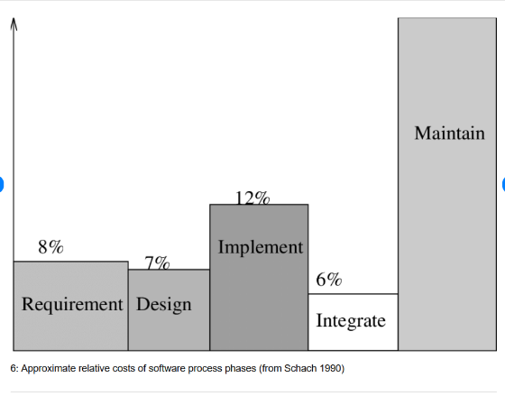
Requirement analysis | 25%
Design | 20%
Implementation | 30%
Testing | 15%
Maintenance | 10%

Approximated cost of work per waterfall phase

